Pre-Shipping Checklist
 |  | 5 Easy Steps to Ship Samples to Novogene

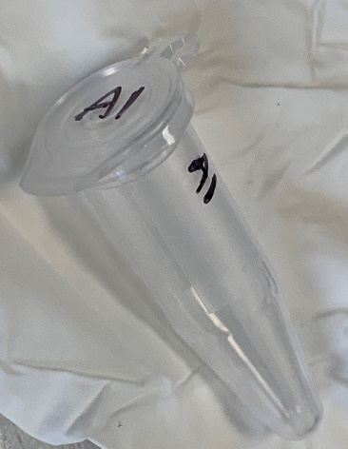
Select 1.5 or 2.0mL tubes so your samples fit in our robots. The robots work best with flip-top tubes. (We can transfer your samples to compatible tubes for a fee.)

Label the top and side of each tube with a short (≤8 letters/numbers) sample name in black permanent marker; tape/most labels block tubes from fitting in centrifuges. Sample names must begin with a letter (Ask about Novogene preprinted labels for large projects.)

Parafilm prevents leaks during transit! Put samples into a Ziploc bag to prevent damage during shipping.

 | ≥24 samples? Put them in a freezer or storage box in the same order as the form to ensure rapid check-in. Put the box in a bag.

 | <10 samples? Use Kimwipes in 50 mL conicals to protect them

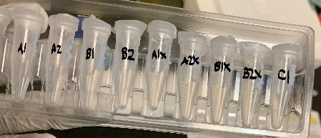
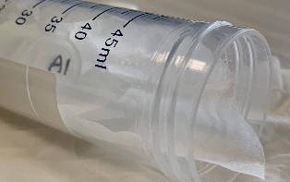
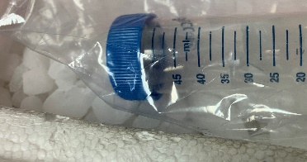

Use 5lb/dry ice per day; we recommend 10lb for overnight shipping. Couriers sometimes have delays, and Sacramento gets pretty hot. (Sorry, USPS doesn’t deliver to us now, and FedEx does not always deliver on Saturdays.)

Print just the packing slip from your tech support and put it in the box – it has a barcode so our package receiving team can get your samples to QC fast. Ask us if you don’t have one of these!

